Deco Light Install
Project | :Inovalon
Location | : Gurugram
Title | : Functional Light Fixture Installation BOQ

S.no | Description | QTY | UOM | Reference Image | Installation Rate | Amount | Remark

 | Recieving, Shifting to the designated store & from store to the site floors, Installation, Testing and Commissioning of Light fixtures and lamps with all accessories, wooden blocks, screws ,hardware's, wedge clamps as required as per the site conditions (including the earthing of fixture)
 | Asset reconciliation shall be submitted
 | Any loss & damage shall be in scope of Electrical Contractor till final testing & commissioning.
 | Self interlocking connector blocks for connecting the wires from fixtures to the points.
 | Earthing of fixtures with PVC insulated copper conductor FR wire.
 | Approved colour powder coated down rods, clamps, 8mm wedge clamp nut with bolt washer and other components and fixing accessories wherever required.
 | Testing of fixtures before Installation.
 | The lighting lux level report to be submit while testing and commissioning.
 | Identification tags with a distance not more 3 meters to be used for circuit identification

 | Installation, testing & commissioning of light fixture complete with Electronic or Dali ballast as specified below for cold start, holders, louvers, inter connecting wires, terminals, lamps, etc., complete Erection with supporting hardware.
1 | Linear Light Type Size -1200mm(L)X75 mm(W) At Cafeteria & Exe. Cabin Area. | Nos | 30 |  | 350 | 10,500
2 | Designer Light Type-01 Size -1200mm Dia, 75 mm wide At Reception, Lounge & Workpoint Area | Nos | 2 |  | 350 | 700
3 | Designer Light Type-01 Size -400mm Dia, At Collabs Area | Nos | 6 | 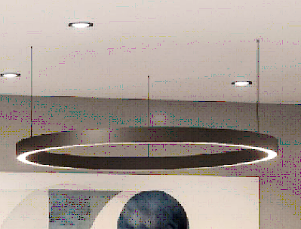 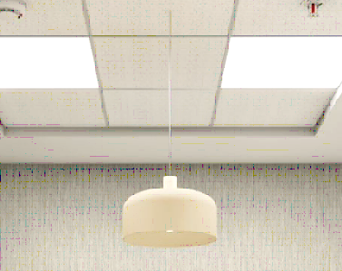 | 350 | 2,100
4 | Designer Light Type-04 Size -450mm Dia, At Cafeteria Area | Nos | 3 | 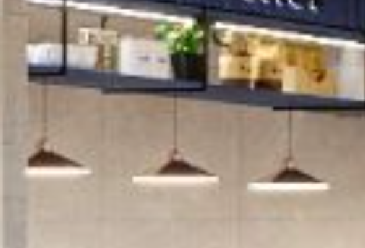 | 350 | 1,050
5 | Designer Light Type-06 Size -450mm Dia, At Tuck Shop | Nos | 3 | 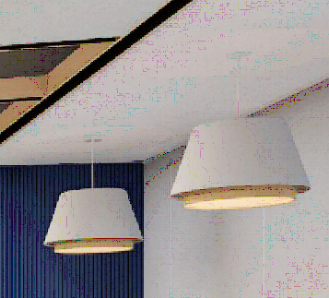 | 350 | 1,050
6 | Designer Wall Light Type Size -300mm Dia, At Cafeteria | Nos | 2 |  | 350 | 700

7 | Stretch Fabric Light Type Area -8.60 Sq.ft At Reception & Lounge Area | Nos | 1 |  | 600 | 600

 | GRAND TOTAL |  |  |  |  | 16,700.00

